OFFER
ARTICLE | NAME AND DESCRIPTION | CATEGORY | GENDER | COLOR | EAN CODE | COMPOSITION | SIZE | QUANTITY | WHS

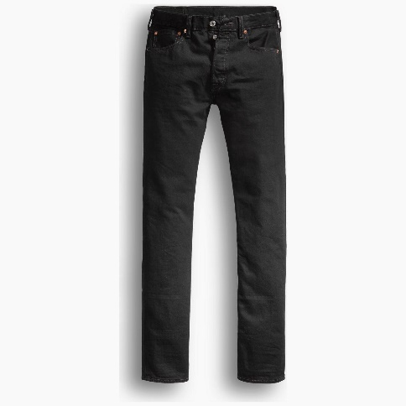
00501-0660 | 501® LEVIS®ORIGINAL FIT BLACKS | BOTTOMS | MEN | Black Denim | 5415017003053 | 100% COTTON | 30 32 | 12 | 47.85 €
00501-0660 | 501® LEVIS®ORIGINAL FIT BLACKS | BOTTOMS | MEN | Black Denim | 5415017003107 | 100% COTTON | 31 32 | 16 | 47.85 €
00501-0660 | 501® LEVIS®ORIGINAL FIT BLACKS | BOTTOMS | MEN | Black Denim | 5415017003169 | 100% COTTON | 32 32 | 26 | 47.85 €
00501-0660 | 501® LEVIS®ORIGINAL FIT BLACKS | BOTTOMS | MEN | Black Denim | 5415017003183 | 100% COTTON | 32 34 | 10 | 47.85 €
00501-0660 | 501® LEVIS®ORIGINAL FIT BLACKS | BOTTOMS | MEN | Black Denim | 5415017003237 | 100% COTTON | 33 32 | 22 | 47.85 €
00501-0660 | 501® LEVIS®ORIGINAL FIT BLACKS | BOTTOMS | MEN | Black Denim | 5415017003251 | 100% COTTON | 33 34 | 10 | 47.85 €
00501-0660 | 501® LEVIS®ORIGINAL FIT BLACKS | BOTTOMS | MEN | Black Denim | 5415017003305 | 100% COTTON | 34 32 | 26 | 47.85 €
00501-0660 | 501® LEVIS®ORIGINAL FIT BLACKS | BOTTOMS | MEN | Black Denim | 5415017003329 | 100% COTTON | 34 34 | 10 | 47.85 €
00501-0660 | 501® LEVIS®ORIGINAL FIT BLACKS | BOTTOMS | MEN | Black Denim | 5415017003404 | 100% COTTON | 36 32 | 16 | 47.85 €
00501-0660 | 501® LEVIS®ORIGINAL FIT BLACKS | BOTTOMS | MEN | Black Denim | 5415017003411 | 100% COTTON | 36 34 | 6 | 47.85 €
00501-0660 | 501® LEVIS®ORIGINAL FIT BLACKS | BOTTOMS | MEN | Black Denim | 5415017003459 | 100% COTTON | 38 32 | 10 | 47.85 €
 |  |  |  |  |  |  |  | 164
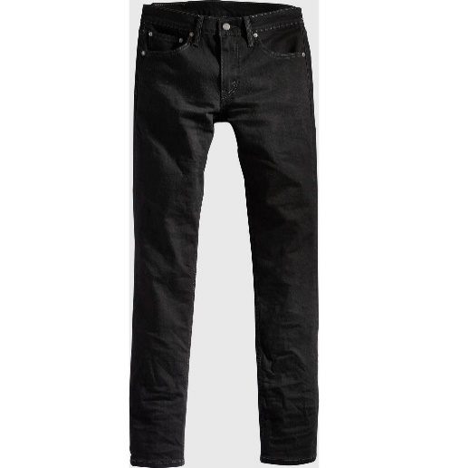
04511-1907 | 511™ SLIM BLACKS | BOTTOMS | MEN | NATIVE CALI | 5400898388962 | 99% COTTON, 1% ELASTANE | 28 32 | 5 | 47.85 €
04511-1907 | 511™ SLIM BLACKS | BOTTOMS | MEN | NATIVE CALI | 5400898388979 | 99% COTTON, 1% ELASTANE | 29 32 | 15 | 47.85 €
04511-1907 | 511™ SLIM BLACKS | BOTTOMS | MEN | NATIVE CALI | 5400898388993 | 99% COTTON, 1% ELASTANE | 30 32 | 25 | 47.85 €
04511-1907 | 511™ SLIM BLACKS | BOTTOMS | MEN | NATIVE CALI | 5400898390026 | 99% COTTON, 1% ELASTANE | 31 32 | 24 | 47.85 €
04511-1907 | 511™ SLIM BLACKS | BOTTOMS | MEN | NATIVE CALI | 5400898390033 | 99% COTTON, 1% ELASTANE | 31 34 | 8 | 47.85 €
04511-1907 | 511™ SLIM BLACKS | BOTTOMS | MEN | NATIVE CALI | 5415212600101 | 99% COTTON, 1% ELASTANE | 32 32 | 38 | 47.85 €
04511-1907 | 511™ SLIM BLACKS | BOTTOMS | MEN | NATIVE CALI | 5400898390057 | 99% COTTON, 1% ELASTANE | 32 34 | 10 | 47.85 €
04511-1907 | 511™ SLIM BLACKS | BOTTOMS | MEN | NATIVE CALI | 5400898390088 | 99% COTTON, 1% ELASTANE | 33 32 | 24 | 47.85 €
04511-1907 | 511™ SLIM BLACKS | BOTTOMS | MEN | NATIVE CALI | 5400898390095 | 99% COTTON, 1% ELASTANE | 33 34 | 10 | 47.85 €
04511-1907 | 511™ SLIM BLACKS | BOTTOMS | MEN | NATIVE CALI | 5400898390132 | 99% COTTON, 1% ELASTANE | 34 34 | 10 | 47.85 €
04511-1907 | 511™ SLIM BLACKS | BOTTOMS | MEN | NATIVE CALI | 5400898390156 | 99% COTTON, 1% ELASTANE | 36 32 | 13 | 47.85 €
04511-1907 | 511™ SLIM BLACKS | BOTTOMS | MEN | NATIVE CALI | 5400898390163 | 99% COTTON, 1% ELASTANE | 36 34 | 6 | 47.85 €
04511-1907 | 511™ SLIM BLACKS | BOTTOMS | MEN | NATIVE CALI | 5400898390187 | 99% COTTON, 1% ELASTANE | 38 32 | 10 | 47.85 €
04511-1907 | 511™ SLIM BLACKS | BOTTOMS | MEN | NATIVE CALI | 5400898390194 | 99% COTTON, 1% ELASTANE | 38 34 | 4 | 47.85 €
 |  |  |  |  |  |  |  | 202
04511-5536 | 511™ SLIM MED INDIGO - WORN IN | BOTTOMS | MEN | TERRIBLE CLAW ADV | 5401105225179 | 70% COTTON, 28% LYOCELL, 2% ELASTANE | 28 32 | 6 | 56.85 €
04511-5536 | 511™ SLIM MED INDIGO - WORN IN | BOTTOMS | MEN | TERRIBLE CLAW ADV | 5401105225230 | 70% COTTON, 28% LYOCELL, 2% ELASTANE | 29 32 | 14 | 56.85 €
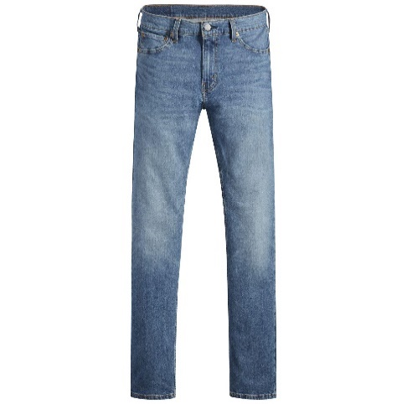
04511-5536 | 511™ SLIM MED INDIGO - WORN IN | BOTTOMS | MEN | TERRIBLE CLAW ADV | 5401105225292 | 70% COTTON, 28% LYOCELL, 2% ELASTANE | 30 32 | 20 | 56.85 €
04511-5536 | 511™ SLIM MED INDIGO - WORN IN | BOTTOMS | MEN | TERRIBLE CLAW ADV | 5401105225353 | 70% COTTON, 28% LYOCELL, 2% ELASTANE | 31 32 | 34 | 56.85 €
04511-5536 | 511™ SLIM MED INDIGO - WORN IN | BOTTOMS | MEN | TERRIBLE CLAW ADV | 5401105225360 | 70% COTTON, 28% LYOCELL, 2% ELASTANE | 31 34 | 6 | 56.85 €
04511-5536 | 511™ SLIM MED INDIGO - WORN IN | BOTTOMS | MEN | TERRIBLE CLAW ADV | 5401105029692 | 70% COTTON, 28% LYOCELL, 2% ELASTANE | 32 32 | 40 | 56.85 €
04511-5536 | 511™ SLIM MED INDIGO - WORN IN | BOTTOMS | MEN | TERRIBLE CLAW ADV | 5401105225421 | 70% COTTON, 28% LYOCELL, 2% ELASTANE | 32 34 | 10 | 56.85 €
04511-5536 | 511™ SLIM MED INDIGO - WORN IN | BOTTOMS | MEN | TERRIBLE CLAW ADV | 5401105225490 | 70% COTTON, 28% LYOCELL, 2% ELASTANE | 33 32 | 35 | 56.85 €
04511-5536 | 511™ SLIM MED INDIGO - WORN IN | BOTTOMS | MEN | TERRIBLE CLAW ADV | 5401105225506 | 70% COTTON, 28% LYOCELL, 2% ELASTANE | 33 34 | 10 | 56.85 €
04511-5536 | 511™ SLIM MED INDIGO - WORN IN | BOTTOMS | MEN | TERRIBLE CLAW ADV | 5401105225513 | 70% COTTON, 28% LYOCELL, 2% ELASTANE | 33 36 | 4 | 56.85 €
04511-5536 | 511™ SLIM MED INDIGO - WORN IN | BOTTOMS | MEN | TERRIBLE CLAW ADV | 5401105225551 | 70% COTTON, 28% LYOCELL, 2% ELASTANE | 34 32 | 35 | 56.85 €
04511-5536 | 511™ SLIM MED INDIGO - WORN IN | BOTTOMS | MEN | TERRIBLE CLAW ADV | 5401105225568 | 70% COTTON, 28% LYOCELL, 2% ELASTANE | 34 34 | 10 | 56.85 €
04511-5536 | 511™ SLIM MED INDIGO - WORN IN | BOTTOMS | MEN | TERRIBLE CLAW ADV | 5401105225575 | 70% COTTON, 28% LYOCELL, 2% ELASTANE | 34 36 | 4 | 56.85 €
04511-5536 | 511™ SLIM MED INDIGO - WORN IN | BOTTOMS | MEN | TERRIBLE CLAW ADV | 5401105225674 | 70% COTTON, 28% LYOCELL, 2% ELASTANE | 36 32 | 25 | 56.85 €
04511-5536 | 511™ SLIM MED INDIGO - WORN IN | BOTTOMS | MEN | TERRIBLE CLAW ADV | 5401105225681 | 70% COTTON, 28% LYOCELL, 2% ELASTANE | 36 34 | 8 | 56.85 €
04511-5536 | 511™ SLIM MED INDIGO - WORN IN | BOTTOMS | MEN | TERRIBLE CLAW ADV | 5401105225742 | 70% COTTON, 28% LYOCELL, 2% ELASTANE | 38 32 | 20 | 56.85 €
 |  |  |  |  |  |  |  | 281
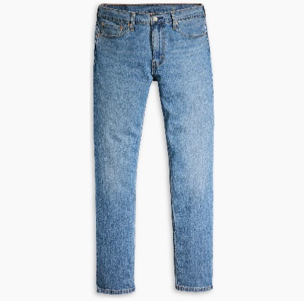
04511-5849 | 511™ SLIM MED INDIGO - WORN IN | BOTTOMS | MEN | ON THE COOL | 5401157025703 | 84% COTTON, 15% POLYESTER, 1% ELASTANE | 29 32 | 5 | 51.85 €
04511-5849 | 511™ SLIM MED INDIGO - WORN IN | BOTTOMS | MEN | ON THE COOL | 5401157537473 | 84% COTTON, 15% POLYESTER, 1% ELASTANE | 30 32 | 15 | 51.85 €
04511-5849 | 511™ SLIM MED INDIGO - WORN IN | BOTTOMS | MEN | ON THE COOL | 5401157025734 | 84% COTTON, 15% POLYESTER, 1% ELASTANE | 31 32 | 23 | 51.85 €
04511-5849 | 511™ SLIM MED INDIGO - WORN IN | BOTTOMS | MEN | ON THE COOL | 5401128801992 | 84% COTTON, 15% POLYESTER, 1% ELASTANE | 32 32 | 22 | 51.85 €
04511-5849 | 511™ SLIM MED INDIGO - WORN IN | BOTTOMS | MEN | ON THE COOL | 5401157537480 | 84% COTTON, 15% POLYESTER, 1% ELASTANE | 32 34 | 10 | 51.85 €
04511-5849 | 511™ SLIM MED INDIGO - WORN IN | BOTTOMS | MEN | ON THE COOL | 5401157025765 | 84% COTTON, 15% POLYESTER, 1% ELASTANE | 33 32 | 23 | 51.85 €
04511-5849 | 511™ SLIM MED INDIGO - WORN IN | BOTTOMS | MEN | ON THE COOL | 5401157537497 | 84% COTTON, 15% POLYESTER, 1% ELASTANE | 33 34 | 10 | 51.85 €
04511-5849 | 511™ SLIM MED INDIGO - WORN IN | BOTTOMS | MEN | ON THE COOL | 5401157025789 | 84% COTTON, 15% POLYESTER, 1% ELASTANE | 34 32 | 20 | 51.85 €
04511-5849 | 511™ SLIM MED INDIGO - WORN IN | BOTTOMS | MEN | ON THE COOL | 5401157538807 | 84% COTTON, 15% POLYESTER, 1% ELASTANE | 34 34 | 5 | 51.85 €
04511-5849 | 511™ SLIM MED INDIGO - WORN IN | BOTTOMS | MEN | ON THE COOL | 5401157092156 | 84% COTTON, 15% POLYESTER, 1% ELASTANE | 36 32 | 14 | 51.85 €
 |  |  |  |  |  |  |  | 147
04511-5661 | 511™ SLIM MED INDIGO - WORN IN | BOTTOMS | MEN | KEEPIN IT CLEAN | 5401128030446 | 99% COTTON, 1% ELASTANE | 28 32 | 5 | 51.85 €
04511-5661 | 511™ SLIM MED INDIGO - WORN IN | BOTTOMS | MEN | KEEPIN IT CLEAN | 5401128030460 | 99% COTTON, 1% ELASTANE | 29 32 | 20 | 51.85 €
04511-5661 | 511™ SLIM MED INDIGO - WORN IN | BOTTOMS | MEN | KEEPIN IT CLEAN | 5401128030484 | 99% COTTON, 1% ELASTANE | 30 32 | 40 | 51.85 €
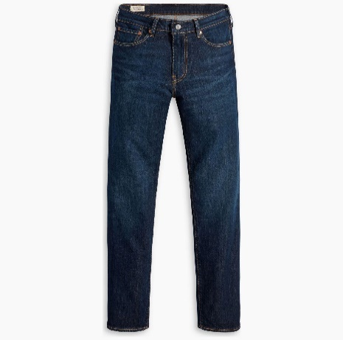
04511-5661 | 511™ SLIM MED INDIGO - WORN IN | BOTTOMS | MEN | KEEPIN IT CLEAN | 5401128030491 | 99% COTTON, 1% ELASTANE | 30 34 | 4 | 51.85 €
04511-5661 | 511™ SLIM MED INDIGO - WORN IN | BOTTOMS | MEN | KEEPIN IT CLEAN | 5401128030514 | 99% COTTON, 1% ELASTANE | 31 32 | 55 | 51.85 €
04511-5661 | 511™ SLIM MED INDIGO - WORN IN | BOTTOMS | MEN | KEEPIN IT CLEAN | 5401128030521 | 99% COTTON, 1% ELASTANE | 31 34 | 20 | 51.85 €
04511-5661 | 511™ SLIM MED INDIGO - WORN IN | BOTTOMS | MEN | KEEPIN IT CLEAN | 5401105980344 | 99% COTTON, 1% ELASTANE | 32 32 | 65 | 51.85 €
04511-5661 | 511™ SLIM MED INDIGO - WORN IN | BOTTOMS | MEN | KEEPIN IT CLEAN | 5401128030545 | 99% COTTON, 1% ELASTANE | 32 34 | 25 | 51.85 €
04511-5661 | 511™ SLIM MED INDIGO - WORN IN | BOTTOMS | MEN | KEEPIN IT CLEAN | 5401128030569 | 99% COTTON, 1% ELASTANE | 33 32 | 55 | 51.85 €
04511-5661 | 511™ SLIM MED INDIGO - WORN IN | BOTTOMS | MEN | KEEPIN IT CLEAN | 5401128030576 | 99% COTTON, 1% ELASTANE | 33 34 | 25 | 51.85 €
04511-5661 | 511™ SLIM MED INDIGO - WORN IN | BOTTOMS | MEN | KEEPIN IT CLEAN | 5401128030590 | 99% COTTON, 1% ELASTANE | 34 32 | 60 | 51.85 €
04511-5661 | 511™ SLIM MED INDIGO - WORN IN | BOTTOMS | MEN | KEEPIN IT CLEAN | 5401128030606 | 99% COTTON, 1% ELASTANE | 34 34 | 20 | 51.85 €
04511-5661 | 511™ SLIM MED INDIGO - WORN IN | BOTTOMS | MEN | KEEPIN IT CLEAN | 5401128030620 | 99% COTTON, 1% ELASTANE | 36 32 | 30 | 51.85 €
04511-5661 | 511™ SLIM MED INDIGO - WORN IN | BOTTOMS | MEN | KEEPIN IT CLEAN | 5401128030637 | 99% COTTON, 1% ELASTANE | 36 34 | 10 | 51.85 €
04511-5661 | 511™ SLIM MED INDIGO - WORN IN | BOTTOMS | MEN | KEEPIN IT CLEAN | 5401128033690 | 99% COTTON, 1% ELASTANE | 38 32 | 25 | 51.85 €
04511-5661 | 511™ SLIM MED INDIGO - WORN IN | BOTTOMS | MEN | KEEPIN IT CLEAN | 5401128030644 | 99% COTTON, 1% ELASTANE | 38 34 | 2 | 51.85 €
 |  |  |  |  |  |  |  | 461
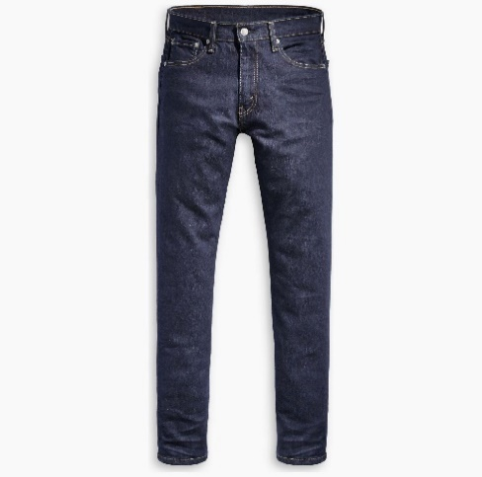
28833-0025 | 512™ SLIM TAPER DARK INDIGO - FLAT FINISH | BOTTOMS | MEN | DARK INDIGO FLAT | 5400599557766 | 88% COTTON, 10% POLYESTER, 2% ELASTANE | 29 32 | 6 | 47.85 €
28833-0025 | 512™ SLIM TAPER DARK INDIGO - FLAT FINISH | BOTTOMS | MEN | DARK INDIGO FLAT | 5400599557797 | 88% COTTON, 10% POLYESTER, 2% ELASTANE | 30 32 | 12 | 47.85 €
28833-0025 | 512™ SLIM TAPER DARK INDIGO - FLAT FINISH | BOTTOMS | MEN | DARK INDIGO FLAT | 5400599557827 | 88% COTTON, 10% POLYESTER, 2% ELASTANE | 31 32 | 11 | 47.85 €
28833-0025 | 512™ SLIM TAPER DARK INDIGO - FLAT FINISH | BOTTOMS | MEN | DARK INDIGO FLAT | 5415313539980 | 88% COTTON, 10% POLYESTER, 2% ELASTANE | 32 32 | 23 | 47.85 €
28833-0025 | 512™ SLIM TAPER DARK INDIGO - FLAT FINISH | BOTTOMS | MEN | DARK INDIGO FLAT | 5400599557858 | 88% COTTON, 10% POLYESTER, 2% ELASTANE | 32 34 | 8 | 47.85 €
28833-0025 | 512™ SLIM TAPER DARK INDIGO - FLAT FINISH | BOTTOMS | MEN | DARK INDIGO FLAT | 5400599557889 | 88% COTTON, 10% POLYESTER, 2% ELASTANE | 33 32 | 20 | 47.85 €
28833-0025 | 512™ SLIM TAPER DARK INDIGO - FLAT FINISH | BOTTOMS | MEN | DARK INDIGO FLAT | 5400599557896 | 88% COTTON, 10% POLYESTER, 2% ELASTANE | 33 34 | 12 | 47.85 €
28833-0025 | 512™ SLIM TAPER DARK INDIGO - FLAT FINISH | BOTTOMS | MEN | DARK INDIGO FLAT | 5400599557926 | 88% COTTON, 10% POLYESTER, 2% ELASTANE | 34 32 | 19 | 47.85 €
28833-0025 | 512™ SLIM TAPER DARK INDIGO - FLAT FINISH | BOTTOMS | MEN | DARK INDIGO FLAT | 5400599557933 | 88% COTTON, 10% POLYESTER, 2% ELASTANE | 34 34 | 8 | 47.85 €
28833-0025 | 512™ SLIM TAPER DARK INDIGO - FLAT FINISH | BOTTOMS | MEN | DARK INDIGO FLAT | 5400599557957 | 88% COTTON, 10% POLYESTER, 2% ELASTANE | 36 32 | 9 | 47.85 €
28833-0025 | 512™ SLIM TAPER DARK INDIGO - FLAT FINISH | BOTTOMS | MEN | DARK INDIGO FLAT | 5400599557964 | 88% COTTON, 10% POLYESTER, 2% ELASTANE | 36 34 | 6 | 47.85 €
28833-0025 | 512™ SLIM TAPER DARK INDIGO - FLAT FINISH | BOTTOMS | MEN | DARK INDIGO FLAT | 5400599557988 | 88% COTTON, 10% POLYESTER, 2% ELASTANE | 38 32 | 10 | 47.85 €
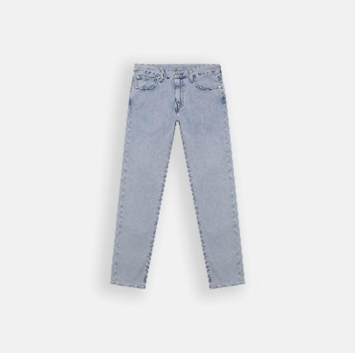
 |  |  |  |  |  |  |  | 144
28833-1291 | 512™ SLIM TAPER LIGHT INDIGO - WORN IN | BOTTOMS | MEN | FROSTED COOL | 5401128907755 | 73% COTTON, 26% LYOCELL, 1% ELASTANE | 29 32 | 4 | 52.15 €
28833-1291 | 512™ SLIM TAPER LIGHT INDIGO - WORN IN | BOTTOMS | MEN | FROSTED COOL | 5401128907779 | 73% COTTON, 26% LYOCELL, 1% ELASTANE | 30 32 | 8 | 52.15 €
28833-1291 | 512™ SLIM TAPER LIGHT INDIGO - WORN IN | BOTTOMS | MEN | FROSTED COOL | 5401128910700 | 73% COTTON, 26% LYOCELL, 1% ELASTANE | 31 32 | 14 | 52.15 €
28833-1291 | 512™ SLIM TAPER LIGHT INDIGO - WORN IN | BOTTOMS | MEN | FROSTED COOL | 5401128910731 | 73% COTTON, 26% LYOCELL, 1% ELASTANE | 32 34 | 24 | 52.15 €
28833-1291 | 512™ SLIM TAPER LIGHT INDIGO - WORN IN | BOTTOMS | MEN | FROSTED COOL | 5401128910755 | 73% COTTON, 26% LYOCELL, 1% ELASTANE | 33 30 | 8 | 52.15 €
28833-1291 | 512™ SLIM TAPER LIGHT INDIGO - WORN IN | BOTTOMS | MEN | FROSTED COOL | 5401128910779 | 73% COTTON, 26% LYOCELL, 1% ELASTANE | 33 34 | 24 | 52.15 €
28833-1291 | 512™ SLIM TAPER LIGHT INDIGO - WORN IN | BOTTOMS | MEN | FROSTED COOL | 5401128910793 | 73% COTTON, 26% LYOCELL, 1% ELASTANE | 34 30 | 8 | 52.15 €
28833-1291 | 512™ SLIM TAPER LIGHT INDIGO - WORN IN | BOTTOMS | MEN | FROSTED COOL | 5401128910816 | 73% COTTON, 26% LYOCELL, 1% ELASTANE | 34 34 | 24 | 52.15 €
28833-1291 | 512™ SLIM TAPER LIGHT INDIGO - WORN IN | BOTTOMS | MEN | FROSTED COOL | 5401128910847 | 73% COTTON, 26% LYOCELL, 1% ELASTANE | 36 32 | 8 | 52.15 €
 |  |  |  |  |  |  |  | 122
04511-5968 | 511™ SLIM BLACKS | BOTTOMS | MEN | CATCH MY DRIFT | 5401157273289 | 99% COTTON, 1% ELASTANE | 28 32 | 5 | 47.85 €
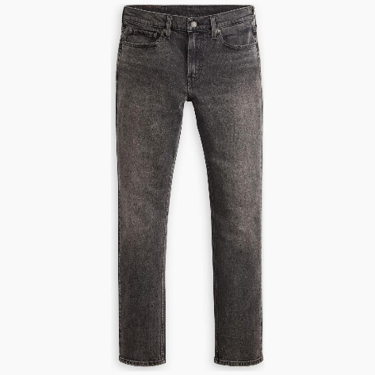
04511-5968 | 511™ SLIM BLACKS | BOTTOMS | MEN | CATCH MY DRIFT | 5401157273906 | 99% COTTON, 1% ELASTANE | 29 32 | 15 | 47.85 €
04511-5968 | 511™ SLIM BLACKS | BOTTOMS | MEN | CATCH MY DRIFT | 5401157273920 | 99% COTTON, 1% ELASTANE | 30 32 | 30 | 47.85 €
04511-5968 | 511™ SLIM BLACKS | BOTTOMS | MEN | CATCH MY DRIFT | 5401157273951 | 99% COTTON, 1% ELASTANE | 31 32 | 50 | 47.85 €
04511-5968 | 511™ SLIM BLACKS | BOTTOMS | MEN | CATCH MY DRIFT | 5401157273968 | 99% COTTON, 1% ELASTANE | 31 34 | 20 | 47.85 €
04511-5968 | 511™ SLIM BLACKS | BOTTOMS | MEN | CATCH MY DRIFT | 5401157184981 | 99% COTTON, 1% ELASTANE | 32 32 | 53 | 47.85 €
04511-5968 | 511™ SLIM BLACKS | BOTTOMS | MEN | CATCH MY DRIFT | 5401157273982 | 99% COTTON, 1% ELASTANE | 32 34 | 20 | 47.85 €
04511-5968 | 511™ SLIM BLACKS | BOTTOMS | MEN | CATCH MY DRIFT | 5401157274002 | 99% COTTON, 1% ELASTANE | 33 32 | 30 | 47.85 €
04511-5968 | 511™ SLIM BLACKS | BOTTOMS | MEN | CATCH MY DRIFT | 5401157274019 | 99% COTTON, 1% ELASTANE | 33 34 | 20 | 47.85 €
04511-5968 | 511™ SLIM BLACKS | BOTTOMS | MEN | CATCH MY DRIFT | 5401157274033 | 99% COTTON, 1% ELASTANE | 34 32 | 25 | 47.85 €
04511-5968 | 511™ SLIM BLACKS | BOTTOMS | MEN | CATCH MY DRIFT | 5401157274040 | 99% COTTON, 1% ELASTANE | 34 34 | 20 | 47.85 €
04511-5968 | 511™ SLIM BLACKS | BOTTOMS | MEN | CATCH MY DRIFT | 5401157274064 | 99% COTTON, 1% ELASTANE | 36 32 | 20 | 47.85 €
04511-5968 | 511™ SLIM BLACKS | BOTTOMS | MEN | CATCH MY DRIFT | 5401157274071 | 99% COTTON, 1% ELASTANE | 36 34 | 10 | 47.85 €
04511-5968 | 511™ SLIM BLACKS | BOTTOMS | MEN | CATCH MY DRIFT | 5401157274088 | 99% COTTON, 1% ELASTANE | 38 34 | 10 | 47.85 €
 |  |  |  |  |  |  |  | 328
04511-5957 | 511™ SLIM GREYS | BOTTOMS | MEN | SOAK IT IN OD | 5401157440476 | 99% COTTON, 1% ELASTANE | 29 32 | 8 | 52.15 €
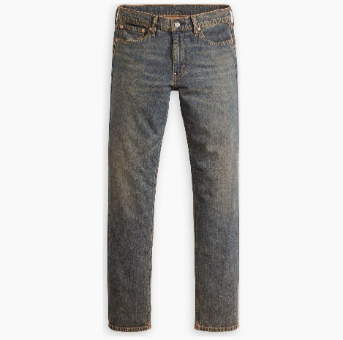
04511-5957 | 511™ SLIM GREYS | BOTTOMS | MEN | SOAK IT IN OD | 5401157440490 | 99% COTTON, 1% ELASTANE | 30 32 | 10 | 52.15 €
04511-5957 | 511™ SLIM GREYS | BOTTOMS | MEN | SOAK IT IN OD | 5401157442807 | 99% COTTON, 1% ELASTANE | 30 34 | 5 | 52.15 €
04511-5957 | 511™ SLIM GREYS | BOTTOMS | MEN | SOAK IT IN OD | 5401157442821 | 99% COTTON, 1% ELASTANE | 31 32 | 15 | 52.15 €
04511-5957 | 511™ SLIM GREYS | BOTTOMS | MEN | SOAK IT IN OD | 5401157442838 | 99% COTTON, 1% ELASTANE | 31 34 | 10 | 52.15 €
04511-5957 | 511™ SLIM GREYS | BOTTOMS | MEN | SOAK IT IN OD | 5401157375808 | 99% COTTON, 1% ELASTANE | 32 32 | 22 | 52.15 €
04511-5957 | 511™ SLIM GREYS | BOTTOMS | MEN | SOAK IT IN OD | 5401157442852 | 99% COTTON, 1% ELASTANE | 32 34 | 10 | 52.15 €
04511-5957 | 511™ SLIM GREYS | BOTTOMS | MEN | SOAK IT IN OD | 5401157442876 | 99% COTTON, 1% ELASTANE | 33 32 | 25 | 52.15 €
04511-5957 | 511™ SLIM GREYS | BOTTOMS | MEN | SOAK IT IN OD | 5401157442883 | 99% COTTON, 1% ELASTANE | 33 34 | 10 | 52.15 €
04511-5957 | 511™ SLIM GREYS | BOTTOMS | MEN | SOAK IT IN OD | 5401157442906 | 99% COTTON, 1% ELASTANE | 34 32 | 25 | 52.15 €
04511-5957 | 511™ SLIM GREYS | BOTTOMS | MEN | SOAK IT IN OD | 5401157442913 | 99% COTTON, 1% ELASTANE | 34 34 | 5 | 52.15 €
04511-5957 | 511™ SLIM GREYS | BOTTOMS | MEN | SOAK IT IN OD | 5401157442937 | 99% COTTON, 1% ELASTANE | 36 32 | 15 | 52.15 €
04511-5957 | 511™ SLIM GREYS | BOTTOMS | MEN | SOAK IT IN OD | 5401157442944 | 99% COTTON, 1% ELASTANE | 36 34 | 5 | 52.15 €
04511-5957 | 511™ SLIM GREYS | BOTTOMS | MEN | SOAK IT IN OD | 5401157442951 | 99% COTTON, 1% ELASTANE | 38 34 | 5 | 52.15 €
 |  |  |  |  |  |  |  | 170
04511-5461 | 511™ SLIM DARK INDIGO - WORN IN | BOTTOMS | MEN | EVERETT NIGHT OUT | 5401043289608 | 99% COTTON, 1% ELASTANE | 29 32 | 10 | 47.85 €
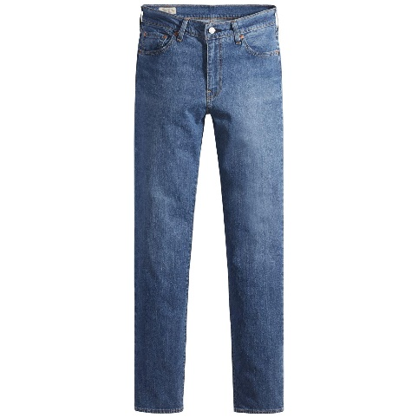
04511-5461 | 511™ SLIM DARK INDIGO - WORN IN | BOTTOMS | MEN | EVERETT NIGHT OUT | 5401043289639 | 99% COTTON, 1% ELASTANE | 30 32 | 25 | 47.85 €
04511-5461 | 511™ SLIM DARK INDIGO - WORN IN | BOTTOMS | MEN | EVERETT NIGHT OUT | 5401043289646 | 99% COTTON, 1% ELASTANE | 30 34 | 5 | 47.85 €
04511-5461 | 511™ SLIM DARK INDIGO - WORN IN | BOTTOMS | MEN | EVERETT NIGHT OUT | 5401043289660 | 99% COTTON, 1% ELASTANE | 31 32 | 39 | 47.85 €
04511-5461 | 511™ SLIM DARK INDIGO - WORN IN | BOTTOMS | MEN | EVERETT NIGHT OUT | 5401043289677 | 99% COTTON, 1% ELASTANE | 31 34 | 10 | 47.85 €
04511-5461 | 511™ SLIM DARK INDIGO - WORN IN | BOTTOMS | MEN | EVERETT NIGHT OUT | 5401043244188 | 99% COTTON, 1% ELASTANE | 32 32 | 44 | 47.85 €
04511-5461 | 511™ SLIM DARK INDIGO - WORN IN | BOTTOMS | MEN | EVERETT NIGHT OUT | 5401043289691 | 99% COTTON, 1% ELASTANE | 32 34 | 20 | 47.85 €
04511-5461 | 511™ SLIM DARK INDIGO - WORN IN | BOTTOMS | MEN | EVERETT NIGHT OUT | 5401043289714 | 99% COTTON, 1% ELASTANE | 33 32 | 46 | 47.85 €
04511-5461 | 511™ SLIM DARK INDIGO - WORN IN | BOTTOMS | MEN | EVERETT NIGHT OUT | 5401043289721 | 99% COTTON, 1% ELASTANE | 33 34 | 20 | 47.85 €
04511-5461 | 511™ SLIM DARK INDIGO - WORN IN | BOTTOMS | MEN | EVERETT NIGHT OUT | 5401043530342 | 99% COTTON, 1% ELASTANE | 33 36 | 4 | 47.85 €
04511-5461 | 511™ SLIM DARK INDIGO - WORN IN | BOTTOMS | MEN | EVERETT NIGHT OUT | 5401043289745 | 99% COTTON, 1% ELASTANE | 34 32 | 40 | 47.85 €
04511-5461 | 511™ SLIM DARK INDIGO - WORN IN | BOTTOMS | MEN | EVERETT NIGHT OUT | 5401043289752 | 99% COTTON, 1% ELASTANE | 34 34 | 16 | 47.85 €
04511-5461 | 511™ SLIM DARK INDIGO - WORN IN | BOTTOMS | MEN | EVERETT NIGHT OUT | 5401043530359 | 99% COTTON, 1% ELASTANE | 34 36 | 4 | 47.85 €
04511-5461 | 511™ SLIM DARK INDIGO - WORN IN | BOTTOMS | MEN | EVERETT NIGHT OUT | 5401043289776 | 99% COTTON, 1% ELASTANE | 36 32 | 30 | 47.85 €
04511-5461 | 511™ SLIM DARK INDIGO - WORN IN | BOTTOMS | MEN | EVERETT NIGHT OUT | 5401043289790 | 99% COTTON, 1% ELASTANE | 38 32 | 17 | 47.85 €
 |  |  |  |  |  |  |  | 330
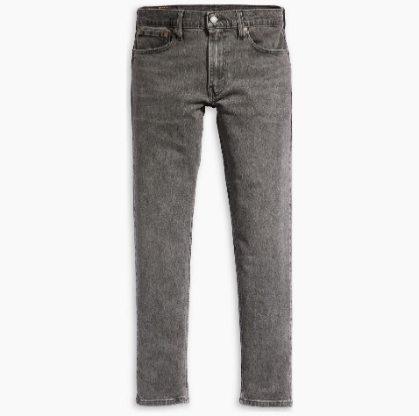
28833-1280 | 512™ SLIM TAPER BLACKS | BOTTOMS | MEN | STANDING OVATION ADV | 5401128915323 | 70% COTTON, 28% LYOCELL, 2% ELASTANE | 30 32 | 12 | 47.85 €
28833-1280 | 512™ SLIM TAPER BLACKS | BOTTOMS | MEN | STANDING OVATION ADV | 5401128915354 | 70% COTTON, 28% LYOCELL, 2% ELASTANE | 31 32 | 16 | 47.85 €
28833-1280 | 512™ SLIM TAPER BLACKS | BOTTOMS | MEN | STANDING OVATION ADV | 5401128802753 | 70% COTTON, 28% LYOCELL, 2% ELASTANE | 32 32 | 22 | 47.85 €
28833-1280 | 512™ SLIM TAPER BLACKS | BOTTOMS | MEN | STANDING OVATION ADV | 5401128915385 | 70% COTTON, 28% LYOCELL, 2% ELASTANE | 32 34 | 8 | 47.85 €
28833-1280 | 512™ SLIM TAPER BLACKS | BOTTOMS | MEN | STANDING OVATION ADV | 5401128915415 | 70% COTTON, 28% LYOCELL, 2% ELASTANE | 33 32 | 24 | 47.85 €
28833-1280 | 512™ SLIM TAPER BLACKS | BOTTOMS | MEN | STANDING OVATION ADV | 5401128915422 | 70% COTTON, 28% LYOCELL, 2% ELASTANE | 33 34 | 10 | 47.85 €
28833-1280 | 512™ SLIM TAPER BLACKS | BOTTOMS | MEN | STANDING OVATION ADV | 5401128915453 | 70% COTTON, 28% LYOCELL, 2% ELASTANE | 34 32 | 15 | 47.85 €
28833-1280 | 512™ SLIM TAPER BLACKS | BOTTOMS | MEN | STANDING OVATION ADV | 5401128915460 | 70% COTTON, 28% LYOCELL, 2% ELASTANE | 34 34 | 10 | 47.85 €
28833-1280 | 512™ SLIM TAPER BLACKS | BOTTOMS | MEN | STANDING OVATION ADV | 5401128915491 | 70% COTTON, 28% LYOCELL, 2% ELASTANE | 36 32 | 10 | 47.85 €
28833-1280 | 512™ SLIM TAPER BLACKS | BOTTOMS | MEN | STANDING OVATION ADV | 5401128915507 | 70% COTTON, 28% LYOCELL, 2% ELASTANE | 36 34 | 5 | 47.85 €
28833-1280 | 512™ SLIM TAPER BLACKS | BOTTOMS | MEN | STANDING OVATION ADV | 5401128915514 | 70% COTTON, 28% LYOCELL, 2% ELASTANE | 38 32 | 10 | 47.85 €
 |  |  |  |  |  |  |  | 142
04511-5537 | 511™ SLIM GREYS | BOTTOMS | MEN | STARGAZER ADV | 5401105857318 | 70% COTTON, 28% LYOCELL, 2% ELASTANE | 29 32 | 10 | 56.85 €
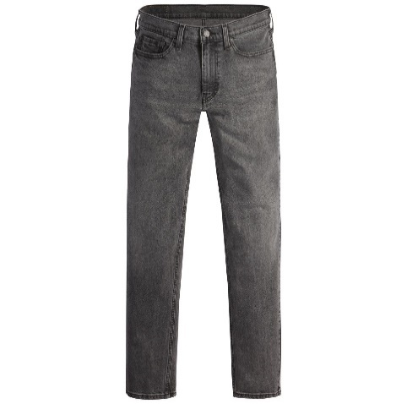
04511-5537 | 511™ SLIM GREYS | BOTTOMS | MEN | STARGAZER ADV | 5401105857370 | 70% COTTON, 28% LYOCELL, 2% ELASTANE | 30 32 | 15 | 56.85 €
04511-5537 | 511™ SLIM GREYS | BOTTOMS | MEN | STARGAZER ADV | 5401105857387 | 70% COTTON, 28% LYOCELL, 2% ELASTANE | 30 34 | 5 | 56.85 €
04511-5537 | 511™ SLIM GREYS | BOTTOMS | MEN | STARGAZER ADV | 5401105857431 | 70% COTTON, 28% LYOCELL, 2% ELASTANE | 31 32 | 24 | 56.85 €
04511-5537 | 511™ SLIM GREYS | BOTTOMS | MEN | STARGAZER ADV | 5401105857448 | 70% COTTON, 28% LYOCELL, 2% ELASTANE | 31 34 | 6 | 56.85 €
04511-5537 | 511™ SLIM GREYS | BOTTOMS | MEN | STARGAZER ADV | 5401105407407 | 70% COTTON, 28% LYOCELL, 2% ELASTANE | 32 32 | 26 | 56.85 €
04511-5537 | 511™ SLIM GREYS | BOTTOMS | MEN | STARGAZER ADV | 5401105857509 | 70% COTTON, 28% LYOCELL, 2% ELASTANE | 32 34 | 8 | 56.85 €
04511-5537 | 511™ SLIM GREYS | BOTTOMS | MEN | STARGAZER ADV | 5401105857578 | 70% COTTON, 28% LYOCELL, 2% ELASTANE | 33 32 | 26 | 56.85 €
04511-5537 | 511™ SLIM GREYS | BOTTOMS | MEN | STARGAZER ADV | 5401105857585 | 70% COTTON, 28% LYOCELL, 2% ELASTANE | 33 34 | 8 | 56.85 €
04511-5537 | 511™ SLIM GREYS | BOTTOMS | MEN | STARGAZER ADV | 5401105857639 | 70% COTTON, 28% LYOCELL, 2% ELASTANE | 34 32 | 24 | 56.85 €
04511-5537 | 511™ SLIM GREYS | BOTTOMS | MEN | STARGAZER ADV | 5401105857646 | 70% COTTON, 28% LYOCELL, 2% ELASTANE | 34 34 | 6 | 56.85 €
04511-5537 | 511™ SLIM GREYS | BOTTOMS | MEN | STARGAZER ADV | 5401105857752 | 70% COTTON, 28% LYOCELL, 2% ELASTANE | 36 32 | 15 | 56.85 €
04511-5537 | 511™ SLIM GREYS | BOTTOMS | MEN | STARGAZER ADV | 5401105857769 | 70% COTTON, 28% LYOCELL, 2% ELASTANE | 36 34 | 5 | 56.85 €
04511-5537 | 511™ SLIM GREYS | BOTTOMS | MEN | STARGAZER ADV | 5401105857820 | 70% COTTON, 28% LYOCELL, 2% ELASTANE | 38 32 | 10 | 56.85 €
04511-5537 | 511™ SLIM GREYS | BOTTOMS | MEN | STARGAZER ADV | 5401105857837 | 70% COTTON, 28% LYOCELL, 2% ELASTANE | 38 34 | 5 | 56.85 €
 |  |  |  |  |  |  |  | 193
04511-5943 | 511™ SLIM BLUES | BOTTOMS | MEN | COMFORTABLE SILENCE | 5401157268391 | 70% COTTON, 28% LYOCELL, 2% ELASTANE | 29 32 | 6 | 47.85 €
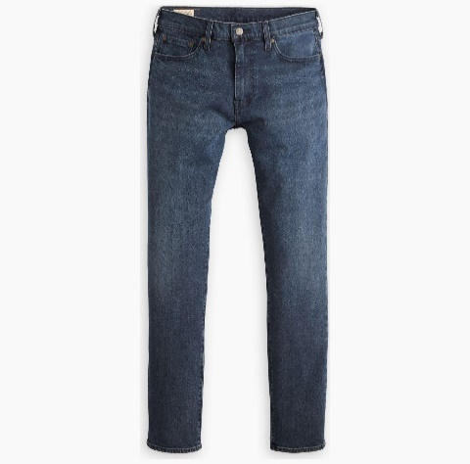
04511-5943 | 511™ SLIM BLUES | BOTTOMS | MEN | COMFORTABLE SILENCE | 5401157269008 | 70% COTTON, 28% LYOCELL, 2% ELASTANE | 30 32 | 14 | 47.85 €
04511-5943 | 511™ SLIM BLUES | BOTTOMS | MEN | COMFORTABLE SILENCE | 5401157269015 | 70% COTTON, 28% LYOCELL, 2% ELASTANE | 30 34 | 2 | 47.85 €
04511-5943 | 511™ SLIM BLUES | BOTTOMS | MEN | COMFORTABLE SILENCE | 5401157269039 | 70% COTTON, 28% LYOCELL, 2% ELASTANE | 31 32 | 24 | 47.85 €
04511-5943 | 511™ SLIM BLUES | BOTTOMS | MEN | COMFORTABLE SILENCE | 5401157269046 | 70% COTTON, 28% LYOCELL, 2% ELASTANE | 31 34 | 6 | 47.85 €
04511-5943 | 511™ SLIM BLUES | BOTTOMS | MEN | COMFORTABLE SILENCE | 5401157197004 | 70% COTTON, 28% LYOCELL, 2% ELASTANE | 32 32 | 25 | 47.85 €
04511-5943 | 511™ SLIM BLUES | BOTTOMS | MEN | COMFORTABLE SILENCE | 5401157269060 | 70% COTTON, 28% LYOCELL, 2% ELASTANE | 32 34 | 8 | 47.85 €
04511-5943 | 511™ SLIM BLUES | BOTTOMS | MEN | COMFORTABLE SILENCE | 5401157269091 | 70% COTTON, 28% LYOCELL, 2% ELASTANE | 33 32 | 26 | 47.85 €
04511-5943 | 511™ SLIM BLUES | BOTTOMS | MEN | COMFORTABLE SILENCE | 5401157269107 | 70% COTTON, 28% LYOCELL, 2% ELASTANE | 33 34 | 8 | 47.85 €
04511-5943 | 511™ SLIM BLUES | BOTTOMS | MEN | COMFORTABLE SILENCE | 5401157269138 | 70% COTTON, 28% LYOCELL, 2% ELASTANE | 34 32 | 24 | 47.85 €
04511-5943 | 511™ SLIM BLUES | BOTTOMS | MEN | COMFORTABLE SILENCE | 5401157269145 | 70% COTTON, 28% LYOCELL, 2% ELASTANE | 34 34 | 6 | 47.85 €
04511-5943 | 511™ SLIM BLUES | BOTTOMS | MEN | COMFORTABLE SILENCE | 5401157269176 | 70% COTTON, 28% LYOCELL, 2% ELASTANE | 36 32 | 18 | 47.85 €
04511-5943 | 511™ SLIM BLUES | BOTTOMS | MEN | COMFORTABLE SILENCE | 5401157269183 | 70% COTTON, 28% LYOCELL, 2% ELASTANE | 36 34 | 4 | 47.85 €
 |  |  |  |  |  |  |  | 171
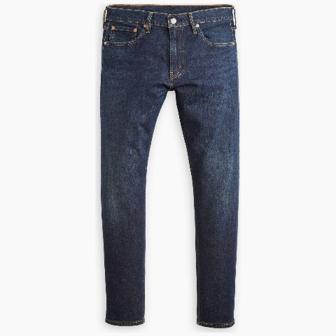
28833-1317 | 512™ SLIM TAPER DARK INDIGO - WORN IN | BOTTOMS | MEN | GOOD REASONS ADV | 5401157277249 | 70% COTTON, 28% LYOCELL, 2% ELASTANE | 30 32 | 16 | 56.50 €
28833-1317 | 512™ SLIM TAPER DARK INDIGO - WORN IN | BOTTOMS | MEN | GOOD REASONS ADV | 5401157277270 | 70% COTTON, 28% LYOCELL, 2% ELASTANE | 31 32 | 22 | 56.50 €
28833-1317 | 512™ SLIM TAPER DARK INDIGO - WORN IN | BOTTOMS | MEN | GOOD REASONS ADV | 5401157185780 | 70% COTTON, 28% LYOCELL, 2% ELASTANE | 32 32 | 30 | 56.50 €
28833-1317 | 512™ SLIM TAPER DARK INDIGO - WORN IN | BOTTOMS | MEN | GOOD REASONS ADV | 5401157277300 | 70% COTTON, 28% LYOCELL, 2% ELASTANE | 32 34 | 10 | 56.50 €
28833-1317 | 512™ SLIM TAPER DARK INDIGO - WORN IN | BOTTOMS | MEN | GOOD REASONS ADV | 5401157277331 | 70% COTTON, 28% LYOCELL, 2% ELASTANE | 33 32 | 34 | 56.50 €
28833-1317 | 512™ SLIM TAPER DARK INDIGO - WORN IN | BOTTOMS | MEN | GOOD REASONS ADV | 5401157277348 | 70% COTTON, 28% LYOCELL, 2% ELASTANE | 33 34 | 11 | 56.50 €
28833-1317 | 512™ SLIM TAPER DARK INDIGO - WORN IN | BOTTOMS | MEN | GOOD REASONS ADV | 5401157277379 | 70% COTTON, 28% LYOCELL, 2% ELASTANE | 34 32 | 32 | 56.50 €
28833-1317 | 512™ SLIM TAPER DARK INDIGO - WORN IN | BOTTOMS | MEN | GOOD REASONS ADV | 5401157277386 | 70% COTTON, 28% LYOCELL, 2% ELASTANE | 34 34 | 12 | 56.50 €
28833-1317 | 512™ SLIM TAPER DARK INDIGO - WORN IN | BOTTOMS | MEN | GOOD REASONS ADV | 5401157277416 | 70% COTTON, 28% LYOCELL, 2% ELASTANE | 36 32 | 14 | 56.50 €
28833-1317 | 512™ SLIM TAPER DARK INDIGO - WORN IN | BOTTOMS | MEN | GOOD REASONS ADV | 5401157277423 | 70% COTTON, 28% LYOCELL, 2% ELASTANE | 36 34 | 6 | 56.50 €
28833-1317 | 512™ SLIM TAPER DARK INDIGO - WORN IN | BOTTOMS | MEN | GOOD REASONS ADV | 5401157277430 | 70% COTTON, 28% LYOCELL, 2% ELASTANE | 38 32 | 12 | 56.50 €
 |  |  |  |  |  |  |  | 199
04511-5959 | 511™ SLIM BLACKS | BOTTOMS | MEN | JUST BE YOU | 5401157454893 | 99% COTTON, 1% ELASTANE | 29 32 | 5 | 43.05 €
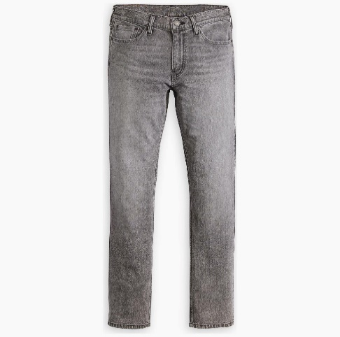
04511-5959 | 511™ SLIM BLACKS | BOTTOMS | MEN | JUST BE YOU | 5401157457719 | 99% COTTON, 1% ELASTANE | 30 32 | 9 | 43.05 €
04511-5959 | 511™ SLIM BLACKS | BOTTOMS | MEN | JUST BE YOU | 5401157457726 | 99% COTTON, 1% ELASTANE | 30 34 | 5 | 43.05 €
04511-5959 | 511™ SLIM BLACKS | BOTTOMS | MEN | JUST BE YOU | 5401157457740 | 99% COTTON, 1% ELASTANE | 31 32 | 25 | 43.05 €
04511-5959 | 511™ SLIM BLACKS | BOTTOMS | MEN | JUST BE YOU | 5401157457757 | 99% COTTON, 1% ELASTANE | 31 34 | 5 | 43.05 €
04511-5959 | 511™ SLIM BLACKS | BOTTOMS | MEN | JUST BE YOU | 5401157373538 | 99% COTTON, 1% ELASTANE | 32 32 | 25 | 43.05 €
04511-5959 | 511™ SLIM BLACKS | BOTTOMS | MEN | JUST BE YOU | 5401157457771 | 99% COTTON, 1% ELASTANE | 32 34 | 8 | 43.05 €
04511-5959 | 511™ SLIM BLACKS | BOTTOMS | MEN | JUST BE YOU | 5401157457795 | 99% COTTON, 1% ELASTANE | 33 32 | 25 | 43.05 €
04511-5959 | 511™ SLIM BLACKS | BOTTOMS | MEN | JUST BE YOU | 5401157457801 | 99% COTTON, 1% ELASTANE | 33 34 | 8 | 43.05 €
04511-5959 | 511™ SLIM BLACKS | BOTTOMS | MEN | JUST BE YOU | 5401157457825 | 99% COTTON, 1% ELASTANE | 34 32 | 25 | 43.05 €
04511-5959 | 511™ SLIM BLACKS | BOTTOMS | MEN | JUST BE YOU | 5401157457832 | 99% COTTON, 1% ELASTANE | 34 34 | 5 | 43.05 €
04511-5959 | 511™ SLIM BLACKS | BOTTOMS | MEN | JUST BE YOU | 5401157457856 | 99% COTTON, 1% ELASTANE | 36 32 | 15 | 43.05 €
04511-5959 | 511™ SLIM BLACKS | BOTTOMS | MEN | JUST BE YOU | 5401157457863 | 99% COTTON, 1% ELASTANE | 36 34 | 9 | 43.05 €
04511-5959 | 511™ SLIM BLACKS | BOTTOMS | MEN | JUST BE YOU | 5401157457870 | 99% COTTON, 1% ELASTANE | 38 34 | 5 | 43.05 €
 |  |  |  |  |  |  |  | 174

 | TOTAL PIECES 3.228

